Standard 3- Results
Standard Three: Student- and Stakeholder-Focused Results - Criterion 3.8
Use this format to respond to Criterion 3.8. If you are submitting a self-study for reaffirmation, this is the same table used in your QA report.
Student- and stakeholder-focused results examine how well your organization satisfies business students and stakeholders key needs and expectations.
Performance measures may include: satisfaction and dissatisfaction of current and past students and key stakeholders, perceived value, loyalty, persistence, or other aspects of relationship building, end of course surveys, alumni surveys, Internship feedback, etc.

Measurement instrument or processes may include end of course surveys, alumni surveys, Internship feedback, etc.

Each academic unit must demonstrate linkages to business practitioners and organizations, which are current and significant, including an advisory board.

Periodic surveys should be made of graduates, transfer institutions, and/or employers of graduates to obtain data on the success of business programs in preparing students to compete successfully for entry-level positions.

Alumni Satisfaction Results
Performance Measure: What is your goal? The goal should be measurable. | What is your measurement instrument or process? (indicate length of cycle) | Current Results: What are your current results? | Analysis of Results: What did you learn from your results? | Action Taken or Improvement made: What did you improve or what is your next step? | Provide a graph or table of resulting trends (3-5 data points preferred) | Data Point 1 (year or semester) | Data Point 2 (year or semester) | Data Point 3 (year or semester) | Data Point 4 (year or semester) | Data Point 5 (year or semester)
 |  |  |  |  |  | 2010 | 2011 | 2012 | 2013 | 2014
(Example) Alumni Satisfaction for business programs will be at or above 80% | Annual alumni survey | Three years of positive trend data exceeding goal | Overall satisfaction exceeded the goal, but students requested additional internships & job placement assistance. | Increased the opportunities for internships and assistance with job placement. |  | 72 | 77 | 81 | 86 | 92
Student Satisfaction with Course by Type & Academic Year
 | Blended |  | Face-to-Face |  | Online |  | Total |  | Goal
12-13 | 4.2435739887 | 12-13 | 4.3087249297 | 12-13 | 4.2306953504 | 12-13 | 4.286193176 | 0.5 | 4
13-14 | 4.1587922901 | 13-14 | 4.2915402713 | 13-14 | 4.2477868051 | 13-14 | 4.2376789758 | 6.5 | 4
14-15 | 4.3160290944 | 14-15 | 4.2949788975 | 14-15 | 4.2676171051 | 14-15 | 4.2928750323
15-16 | 4.21 | 15-16 | 4.26 | 15-16 | 4.23 | 15-16 | 4.2333333333
16-17 | 4.41 | 16-17 | 4.42 | 16-17 | 4.38 | 16-17 | 4.4033333333
Total | 4.2676790746 | Total | 4.3150488197 | Total | 4.2712198521 | Total | 4.2846492488
Student satisfaction with courses will be at or above “good”. | Student end of course surveys. | We continue to meet our goal. | Overall, students are satisfied with their course content, instructor and course format. | We will continue to monitor student satisfaction.
Student satisfaction with various University services will be at or above “good”. | Student exit/graduation surveys. | Results are mostly positive. | In general, students appear to be satisfied with the services they receive. Overall positive trends for the last 2 years. | We will continue to monitor student satisfaction with the various support services across campus. | 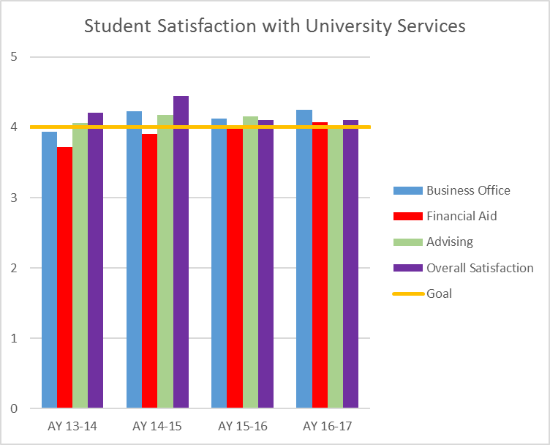
Retention of 1st time first-year students will retain at 60% from first year to second year. | Student retention data from Institutional Research. | The goal was met for the first time in 2016. | Results show an improvement in 2016 as compared to prior years | The goal was met for the first time in 2016. However, this dramatic change from prior years could be the result of a change in our student info system (SIS). Since switiching systems, we have had trouble accessing data or at least obtaining clean and accurate data. | 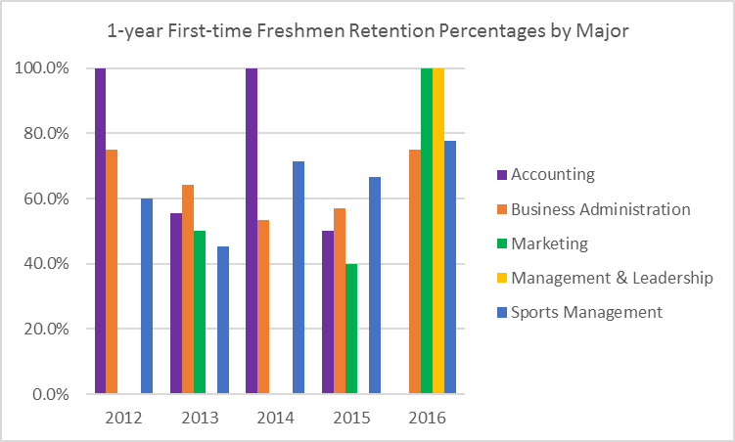

Standard 4 - Results
Standard #4 Measurement and Analysis of Student Learning and Performance
Use this table to supply data for Criterion 4.2. (Figure 4.2 in self-study)
Performance Indicator | Definition
1. Student Learning Results | A student learning outcome is one that measures a specific competency attainment. Examples of a direct assessment (evidence) of student learning attainment that might be used include: capstone performance, third-party examination, faculty-designed examination, professional performance, licensure examination). Add these to the description of the measurement instrument in column two: Direct - Assessing student performance by examining samples of student work Indirect - Assessing indicators other than student work such as getting feedback from the student or other persons who may provide relevant information. Formative – An assessment conducted during the student’s education. Summative – An assessment conducted at the end of the student’s education. Internal – An assessment instrument that was developed within the business unit. External – An assessment instrument that was developed outside the business unit. Comparative – Compare results between classes, between online and on ground classes, Between professors, between programs, between campuses, or compare to external results such as results from the U.S. Department of Education Research and Statistics, or results from a vendor providing comparable data.
 |  | Analysis of Results
Performance Measure | What is your measurement instrument or process? | Current Results | Analysis of Results | Action Taken or Improvement made | Insert Graphs or Tables of Resulting Trends (3-5 data points preferred)
Measurable goal | Do not use grades. | What are your current results? | What did you learn from the results? | What did you improve or what is your next step?
What is your goal? | (Indicate type of instrument) direct, formative, internal, comparative |  |  |  |  | Fall 2010 | Spring 2011 | Fall 2011 | Spring 2012 | Fall 2012 | Spring 2012 | Fall 2013
MFT Knowledge of Foundation Areas
(Example) Knowledge of foundation areas for MBA program will score 150 and above | Summative, External, Comparative data derived from Business MFT | A goal of 150 was set as a benchmark with an average score of 152 in 2013 | Evaluation of all course learning outcomes for consistency, more oral presentations and more written assignments were added. | Increased use of Blackboard platform to support course. Uploaded syllabi, videos, documents, etc. |  | 146 | 151 | 140 | 146 | 146 | 147 | 152
 |  |  |  |  |  | 150 | 150 | 150 | 150 | 150 | 150 | 150
BS in Accounting
BS in Accounting: Knowledge and discussion of emerging technologies in Accounting Info Systems - 80% of students will meet or exceed proficiency on course project | Direct, formative, internal data derived from the end of course project in the Accounting Info Systems course | A goal of 80% of students will meet or exceed proficiency on the project. | Decline in percentage of students meeting the goal. | Need to monitor this to if the decline continues or if SP17 was an outlier. If the decline continues, the project requirements needs to be re-evaluated. | 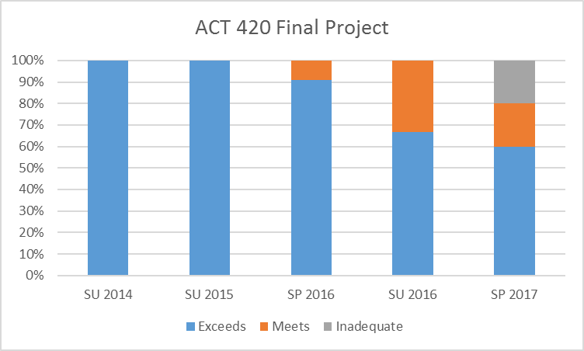
BS in Accounting: Knowledge of foundation areas of Business for the Accounting program will score within 10 points of national and regional scores on outbound Peregrine test | Summative, External, Comparative data derived from Accounting/Business Peregrine outbound test | A goal of within 10 points of national and regional scores was set to ensure we are staying competitive with other schools | We met our goal in AY 13-14 and AY 16-17, but not AY 14-15 and AY 15-16. | The accounting curriculum was updated a few years ago. We are starting to see the effect of some of the changes in AY 16-17 with the higher performance on the peregrine. | 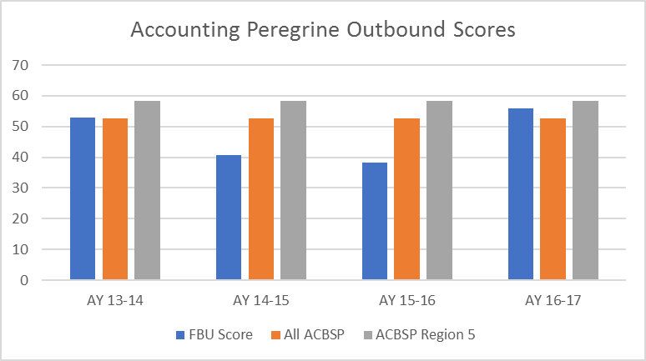
BS in Accounting: Apply auditing standards to financial statements - 80% of students will meet or exceed proficiency on Auditing project | Direct, formative, internal data derived from the end of course project in the Auditing | A goal of 80% of students will meet or exceed proficiency on the project. | Students continue to meet the goal. | Continuous monitoring is necessary to determine if changes/updates to the instrument are necessary. | 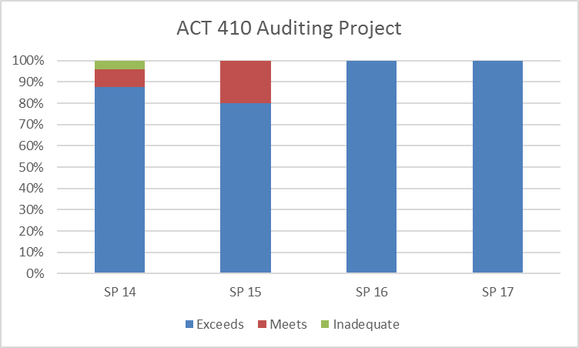

BS in Business Administration
BS in Business Administration: Knowledge of foundation areas of Business will score within 10 points of national and regional scores on outbound Peregrine test | Summative, External, Comparative data derived from Business Peregrine outbound test | A goal of within 10 points of national and regional scores was set to ensure we are staying competitive with other schools | We are getting progressively further from our goal. | Continuous monitoring is necessary to determine if changes/updates to the curriculum are necessary. | 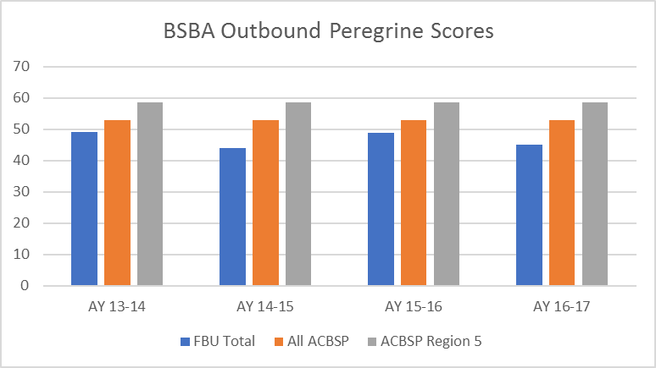
BSBA: Analyze ethical problems and solutions for organizational situations - 80% of students will meet or exceed proficiency on the Ethics final project | Direct, formative, internal data derived from the end of course project in the Management & Business Ethics course | A goal of 80% of students will meet or exceed proficiency on the project. | Since the implementation of this project in 2015, students have met the goal. | Continuous monitoring is necessary to determine if changes/updates to the instrument are necessary. | 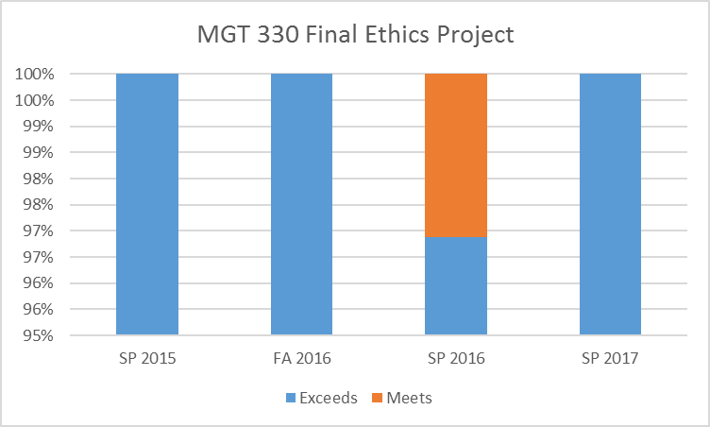
BSBA: Assess the environmental variables relative to their impact on organizational decision-making - 80% of students will meet or exceed proficiency on the Capstone final project | Direct, formative, internal data derived from the end of course project in the Strategic Management course | A goal of 80% of students will meet or exceed proficiency on the project. | With the exception of SU 16, students have met the goal. | Continuous monitoring is necessary to determine if changes/updates to the instrument are necessary. | 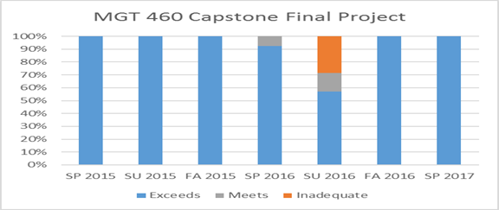
BS in Marketing
BS in Marketing: Evaluate an integrated marketing communication campaign - 80% of students will meet or exceed proficiency on the Advertising and Promotions project | Direct, formative, internal data derived from the end of course project in the Advertising and Promotions course | A goal of 80% of students will meet or exceed proficiency on the project. | Since the implementation of this project in 2016, students have met the goal. | Continuous monitoring is necessary to determine if changes/updates to the instrument are necessary. | 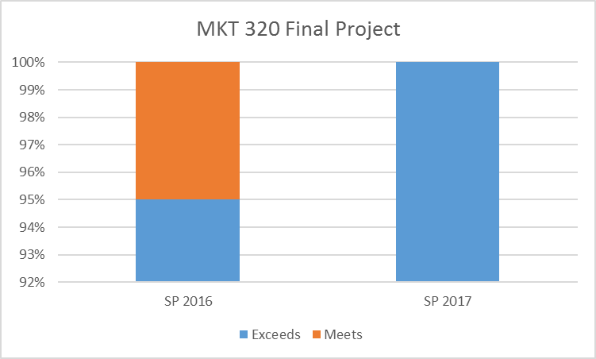
BS in Marketing: Assess new target markets to satisfy existing and emerging consumer needs/behaviors - 80% of students will meet or exceed proficiency on the capstone marketing project | Direct, formative, internal data derived from the end of course project in the capstone Marketing Management course | A goal of 80% of students will meet or exceed proficiency on the project. | Since the implementation of this project in FA 2015, students have met the goal. | Continuous monitoring is necessary to determine if changes/updates to the instrument are necessary.
BS in Marketing: Use marketing research to determine problem discovery techniques, research design, and interpretation of data - 80% of students will meet or exceed proficiency on the market research project | Direct, formative, internal data derived from the end of course project in the Market Resarch course | A goal of 80% of students will meet or exceed proficiency on the project. | Students continue to meet the goal. | Continuous monitoring is necessary to determine if changes/updates to the instrument are necessary. | 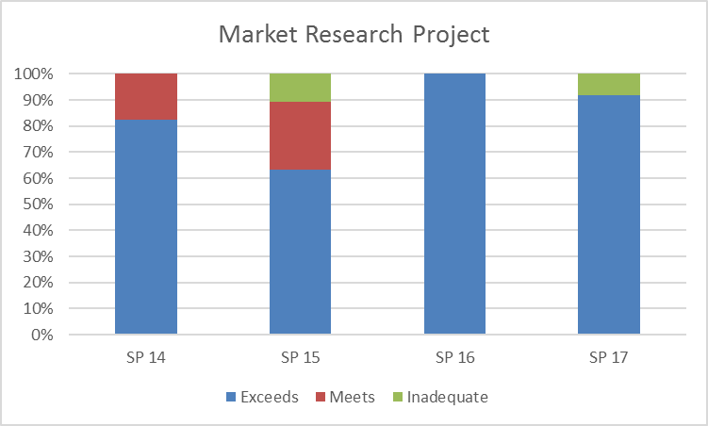

BS in Management & Leadership
BS in Management & Leadership: Knowledge of foundation areas of Business and Leadership will score within 10 points of national and regional scores on outbound Peregrine test | Summative, External, Comparative data derived from Management/Business Peregrine outbound test | A goal of within 10 points of national and regional scores was set to ensure we are staying competitive with other schools | We are getting progressively further from our goal. | Continuous monitoring is necessary to determine if changes/updates to the curriculum are necessary. | 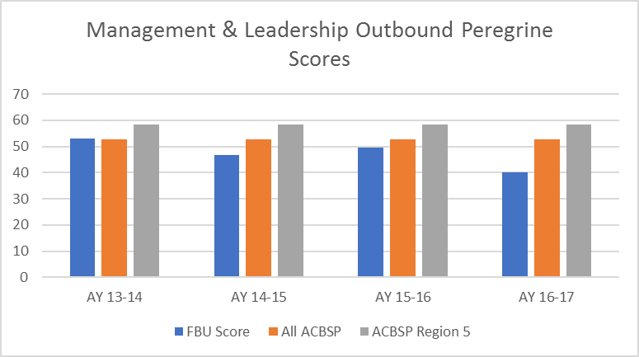
BS in Management & Leadership: Assess the environmental variables relative to their impact on organizational decision-making - 80% of students will meet or exceed proficiency on the Capstone final project | Direct, formative, internal data derived from the end of course project in the Strategic Management course | A goal of 80% of students will meet or exceed proficiency on the project. | Since inception, students have met the goal. | Continuous monitoring is necessary to determine if changes/updates to the instrument are necessary. | 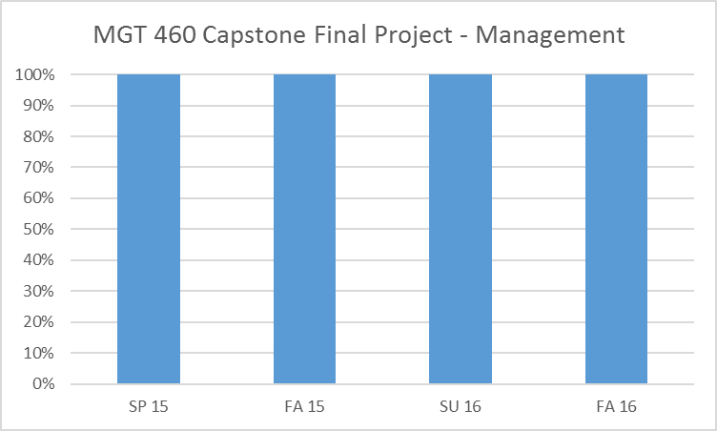
BS in Management & Leadership: Assess the applications of leadership by analyzing the practices within an organization - 80% of students will meet or exceed proficiency on the Org Behavior final project | Direct, formative, internal data derived from the end of course project in the Organizational Behavior course | A goal of 80% of students will meet or exceed proficiency on the project. | Since inception, students have met the goal. | Continuous monitoring is necessary to determine if changes/updates to the instrument are necessary. | 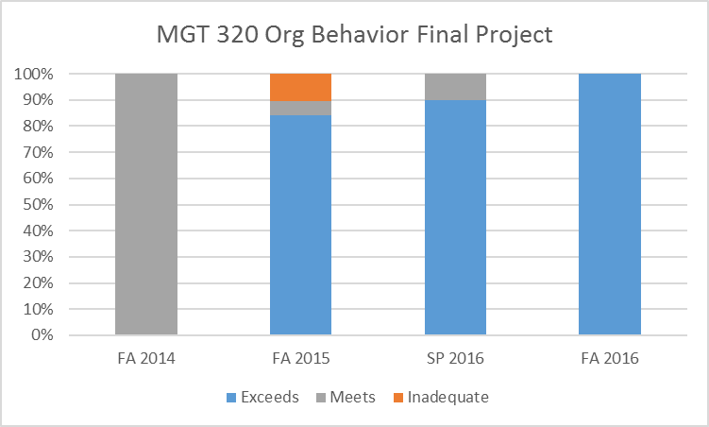
BS in Sports Management
BS in Sports Management: Demonstrate knowledge of various dimensions of diversity - 80% of students will meet or exceed proficiency on the Social Aspects final project | Direct, formative, internal data derived from the end of course project in the Social Aspects of Sports course | A goal of 80% of students will meet or exceed proficiency on the project. | Students continue to meet the goal. | Continuous monitoring is necessary to determine if changes/updates to the instrument are necessary. | 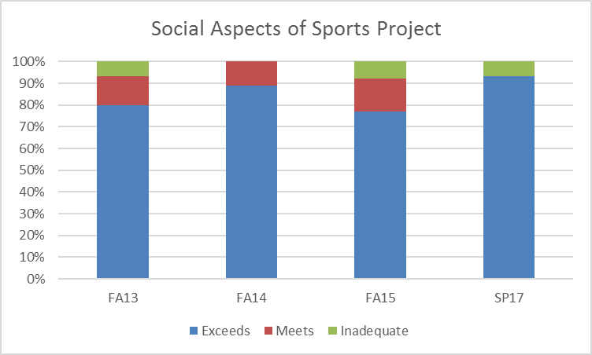
BS in Sports Management: Develop critical thinking models that include qualitative and quantitative techniques and be able to analyze and solve problems using these models in an ethical context - 80% of students will meet or exceed proficiency on the capstone project | Direct, formative, internal data derived from the end of course project in the Capstone course | A goal of 80% of students will meet or exceed proficiency on the project. | Students continue to meet the goal. | Continuous monitoring is necessary to determine if changes/updates to the instrument are necessary. | 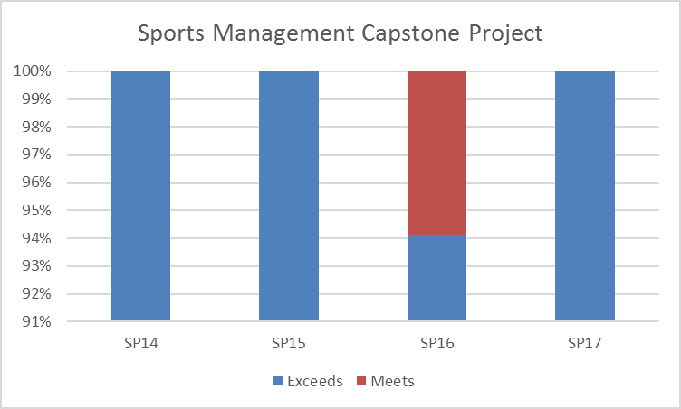
BS in Sports Management: Demonstrate leadership, growth, and the ability to synthesize knowledge both in the classroom and in a practical sport setting - 80% of students will meet or exceed proficiency on the leadership project | Direct, formative, internal data derived from the end of course project in the Leadership & Governance course | A goal of 80% of students will meet or exceed proficiency on the project rubric. | Students continue to meet the goal. | Continuous monitoring is necessary to determine if changes/updates to the instrument are necessary. | 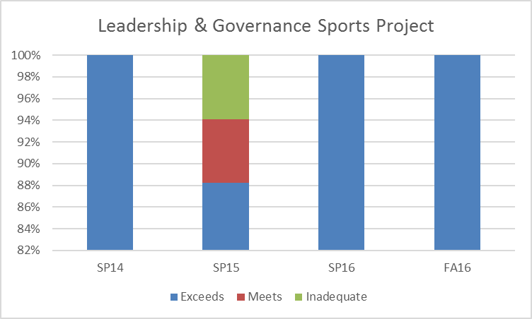

MS in Accounting
MS in Accounting: Knowledge and discussion of emerging technologies in Accounting Info Systems- 80% of students will meet or exceed proficiency on the course project | Direct, formative, internal data derived from the end of course project in the Accounting Info Systems course | A goal of 80% of students will meet or exceed proficiency on the project. | Since SU 14, goal has been met. | Continuous monitoring is necessary to determine if changes/updates to the instrument are necessary. | 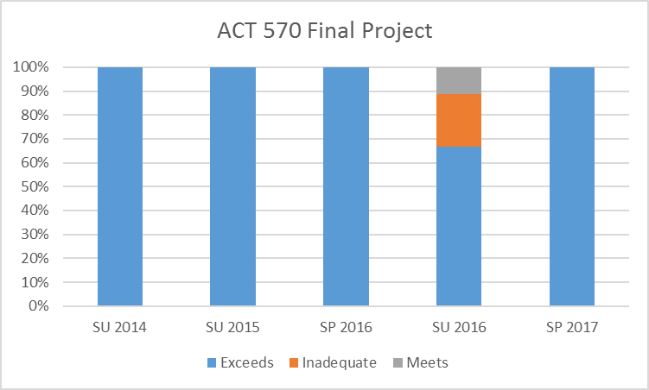
MS in Accounting: Prepare and analyze financial statements - 80% of students will meet or exceed proficiency on FAR III project | Direct, formative, internal data derived from the end of course project in FAR III course | A goal of 80% of students will meet or exceed proficiency on the project. | Since SP 14, goal has been met. | Continuous monitoring is necessary to determine if changes/updates to the instrument are necessary. | 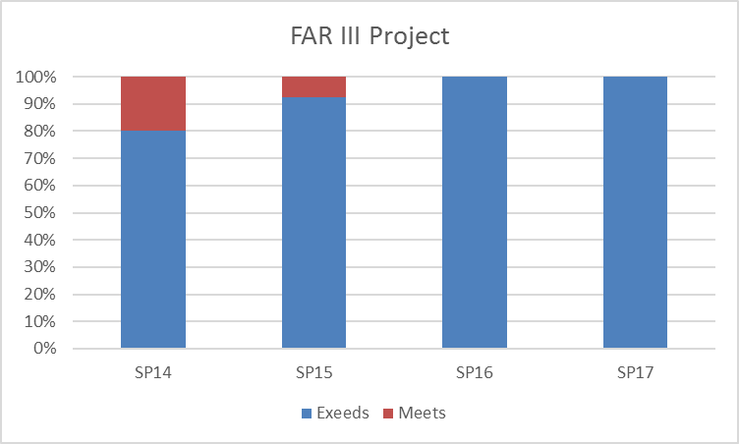
MS in Accounting: Apply auditing standards to financial statements - 80% of students will meet or exceed proficiency on Auditing project | Direct, formative, internal data derived from the end of course project in the Auditing | A goal of 80% of students will meet or exceed proficiency on the project. | Decline in percentage of students meeting the goal. | Continuous monitoring is necessary to determine if changes/updates to the instrument are necessary. | 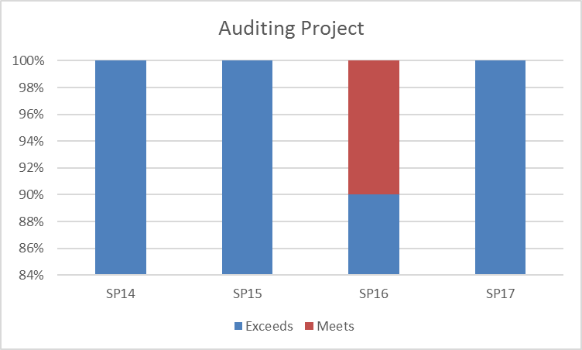
MBA
BSA 540 Global Country Project
 | 0 | 0 | 0
 | 0 | 0 | 0
 | 0 | 0 | 0
 | 0 | 0 | 0
 | 0 | 0 | 0
MBA: Examination of Global Perspectives in Global Business - 80% of students will meet or exceed proficiency on Global Country Project | Direct, formative, internal data derived from the Global Country Project in the Global Business course | A goal of 80% of students will meet or exceed proficiency on the project. | Since FA 14, students have met the goal. | Continuous monitoring is necessary to determine if changes/updates to the instrument are necessary.
BSA 660 Strategic Final Paper
 | 0 | 0
 | 0 | 0
 | 0 | 0
 | 0 | 0
 | 0 | 0
MBA: Assessment of ethical and social responsibilities of org decision making in strategy course - 80% of students will meet or exceed proficiency on final project | Direct, formative, internal data derived from the Final Paper Project in the Strategy course | A goal of 80% of students will meet or exceed proficiency on the project. | While we still meet our goal, SP 17 was the first time in many cycles that there was less than 100% | Continuous monitoring is necessary to determine if changes/updates to the instrument are necessary.
MBA: Identify & develop business strategies in marketing course - 80% of students will meet or exceed proficiency on marketing pitch/plan | Direct, formative, internal data derived from the marketing pitch/plan project in the Marketing course | A goal of 80% of students will meet or exceed proficiency on the project. | Since SP 15, students have met the goal. | Continuous monitoring is necessary to determine if changes/updates to the instrument are necessary. | 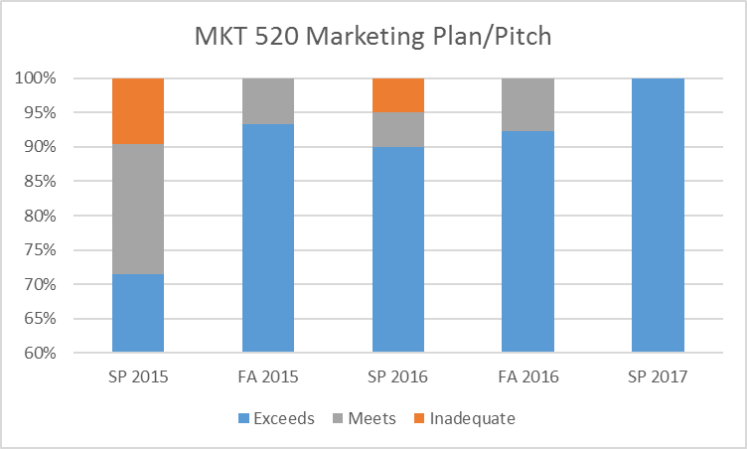
MBA: Knowledge of foundation areas for MBA program will score within 10 points of national and regional scores on outbound Peregrine test | Summative, External, Comparative data derived from MBA Peregrine outbound test | A goal of within 10 points of national and regional scores was set to ensure we are staying competitive with other schools | While we are still meeting our goal and within 10 points of our national and regional peers, there was a 10+ point decline in AY 16-17. | Course offering changes that were implemented in AY 16-17 had an unforeseen consequence on students' ability to take the outbound test. To address this, we created a 0 hour course this year where students will take the test in their last semester. | 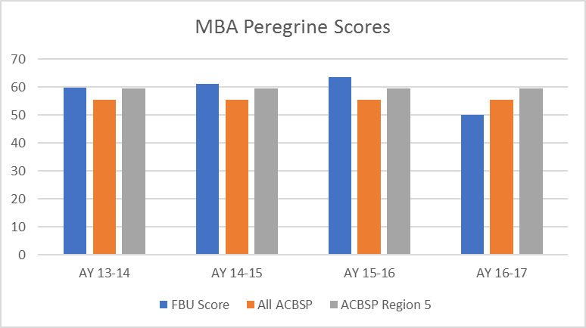

MS in Supply Chain Management
SCM: Application of supply chain concepts to improve a SCM process - 80% of students will meet or exceed proficiency on the final paper of Supply Chain Management course | Direct, formative, internal data derived from the project in the Supply Chain course | A goal of 80% of students will meet or exceed proficiency on the project. | Since 2014, students have met the goal. | Continuous monitoring is necessary to determine if changes/updates to the instrument are necessary. | 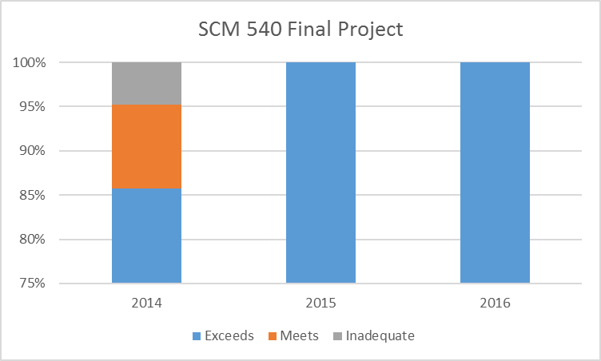
SCM: Application of material management concepts to enhance a SCM performance - 80% of students will meet or exceed proficiency on the final paper of Materials Management course | Direct, formative, internal data derived from the final project in the Material Management course | A goal of 80% of students will meet or exceed proficiency on the project. | Since FA 2014, students have met the goal. | Continuous monitoring is necessary to determine if changes/updates to the instrument are necessary. | 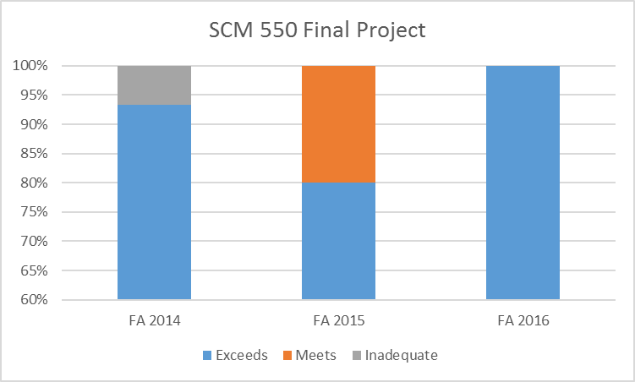
SCM: Analysis of effective vs. efficient SCM processes - 80% of students will meet or exceed proficiency on the final project of the logistics course | Direct, formative, internal data derived from the final project in the Logistics course | A goal of 80% of students will meet or exceed proficiency on the project. | Since 2015, students have met the goal. | Continuous monitoring is necessary to determine if changes/updates to the instrument are necessary. | 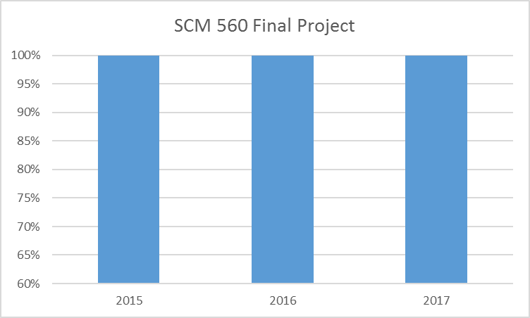

Master of Management & Leadership
MML: Formulate a strategy based on opportunities- 80% of students will meet or exceed proficiency on the final simulation project of Project Management course | Direct, formative, internal data derived from the final simulation project in the Project Management course | A goal of 80% of students will meet or exceed proficiency on the project. | Since 2015, students have met the goal. | Continuous monitoring is necessary to determine if changes/updates to the instrument are necessary. | 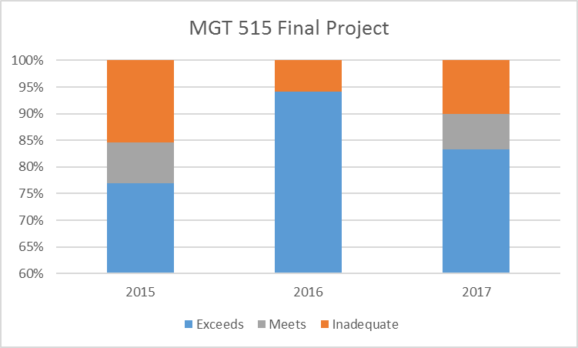
MML: Analyze the ethical environment while applying functions and responsibilities of management & leadership - 80% of students will meet or exceed proficiency on the comprehensive case project in the Strategy course | Direct, formative, internal data derived from the Comprehensive Case project in the Strategy course | A goal of 80% of students will meet or exceed proficiency on the project. | Since 2015, students have met the goal. | Continuous monitoring is necessary to determine if changes/updates to the instrument are necessary. | 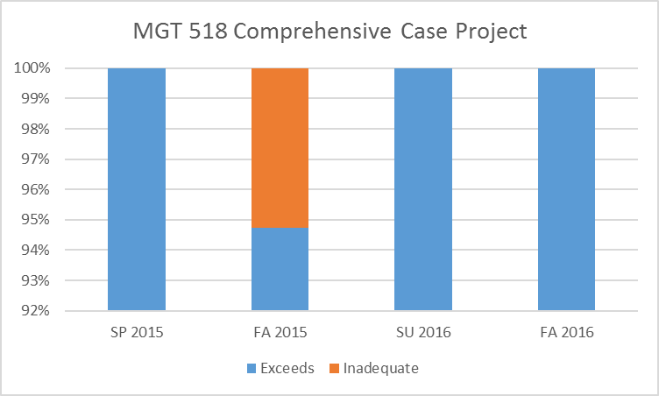
MML: Assess leadership and communication styles when working with diverse internal and external constituents - 80% of students will meet or exceed proficiency on the project in the Org Behavior & HR Mangement course | Direct, formative, internal data derived from the end of course project in the Org Behavior & HR Management course | A goal of 80% of students will meet or exceed proficiency on the project. | Students continue to meet the goal. | Continuous monitoring is necessary to determine if changes/updates to the instrument are necessary. | 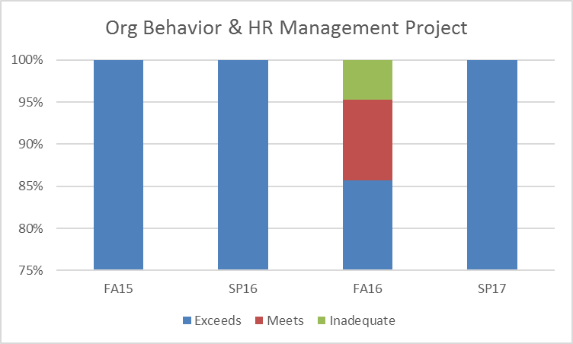

Standard 5 - Table 5.1
Standard #5 Faculty and Staff Focus, Table 5.1

Complete the following table. Provide three or four examples, reporting what you consider to be the most important data. It is not necessary to provide results for every process.

Faculty and Staff Focused Results | Faculty and staff-focused results examine how well the organization creates and maintains a positive, productive, learning-centered work environment for business faculty and staff. Key indicators may include: professional development, scholarly activities, community service, administrative duties, business and industry interaction, number of advisees, number of committees, number of theses supervised, satisfaction or dissatisfaction of faculty and staff, positive, productive, and learning-centered environment, safety, absenteeism, turnover, or complaints.
 |  | Analysis of Results
Performance Measure | What is your measurement instrument or process? | Current Results | Analysis of Results | Action Taken or Improvement made | Insert Graphs or Tables of Resulting Trends (3-5 data points preferred)
Measurable goal | (Indicate length of cycle) | What are your current results? | What did you learn from the results? | What did you improve or what is your next step?
What is your goal? |  |  |  |  |  | year | Faculty Satisfaction
(Example) Faculty satisfaction will exceed 80% | Annual faculty satisfaction survey | Exceeded goal, however, the trend declined in 2013 | Held a faculty meeting to discuss issues raised on surveys | Satisfaction increased 1% |  | 2012 | 84
 |  |  |  |  |  | 2013 | 82
 |  |  |  |  |  | 2014 | 83

Committee Service
 | Faculty | Staff
AY 12-13 | 8 | 7
AY 13-14 | 11.5 | 3.5
AY 14-15 | 15.5 | 3.5
AY 15-16 | 22.5 | 2
AY 16-17 | 20 | 1
Average Number of Advisees by Academic Year and Subprogram
 | Grad | UG-Evening | UG-Traditional
12-13 | 69 | 60 | 31
13-14 | 47 | 88 | 31
14-15 | 66 | 96 | 39
15-16 | 51 | 76 | 34
16-17 | 32 | 36 | 28
To maintain decent representation on the various university committees. | Assigned University committees. | Trend shows an increase in the number of faculty committee assignments and a decrease in the number of staff committee assignments. | Trend shows an increase in the number of faculty committee assignments and a decrease in the number of staff committee assignments. | Continue to support the university through committee work.
Average number of advisees will show a positive trend. | Number of advises per faculty member/advisor by student type based on internal data. | Negative trend by all types | We are working to increase our enrollment which will increase the average number of advisees. | Enrollment continues to decrease. We continue to work to increase our overall enrollment.
100% involvement in community service by full-time faculty and staff | Number of faculty and staff involved in community service during the year | 100% involvement in community service | We continue to meet our goal. | We will strive to continue to meet our goal that all our full-time faculty and staff participate in community service. | 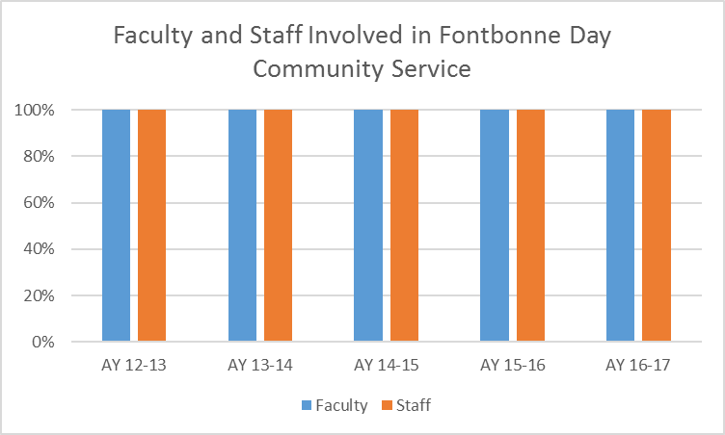

Standard 6 - Table 6.1
Standard #6 - Organizational Performance Results, Table 6.1

Complete the following table. Provide three or four examples, reporting what you consider to be the most important data. It is not necessary to provide results for every process.
 | Table 6.1 Standard 6 - Organizational Performance Results
Organizational Effectiveness Results | Organizational effectiveness results examine attainment of organizational goals. Each business unit must have a systematic reporting mechanism for each business program that charts enrollment patterns, student retention, student academic success, and other characteristics reflecting students' performance. Key indicators may include: graduation rates, enrollment, improvement in safety, hiring equity, increased use of web-based technologies, use of facilities by community organizations, contributions to the community, or partnerships, retention rates by program, and what you report to governing boards and administrative units.
 |  | Analysis of Results
Performance Measure | What is your measurement instrument or process? | Current Results | Analysis of Results | Action Taken or Improvement made | Insert Graphs or Tables of Resulting Trends (3-5 data points preferred)
Measurable goal | (Indicate length of cycle) | What are your current results? | What did you learn from the results? | What did you improve or what is your next step?
What is your goal? |  |  |  |  |  | year | Retention of Business Program Students | 2013 | 2014 | 2015
(Example) Increase retention from 80% to 90% by 2020 | Retention rates as reported to the VPAA every January | 85% in 2015 | In a positive trend for the last three years | Added additional meetings - now there are three meetings a year with business students regarding continued education and completion plans. |  | 2013 | 81 | 81 | 83 | 85
 |  |  |  |  |  | 2014 | 83
 |  |  |  |  |  | 2015 | 85
Increase UG enrollment to 400 students by 2020. | Programmatic enrollment numbers provided by the Registrar. | UG Enrollment has steadily decreased since FA 2013. | Enrollment is down across the University. | We are launching new adult UG initiatives with Corporate parterns in AY 17-18. We hope this will level out our enrollment trend and within a few years we will see positive growth. | 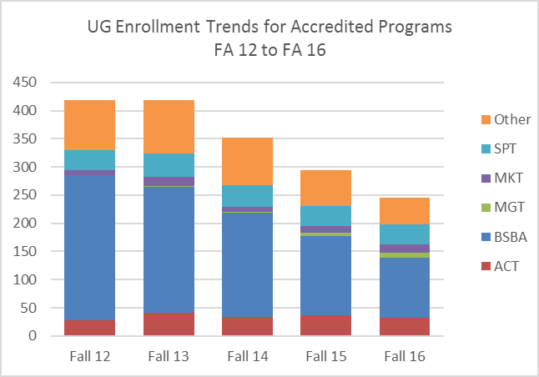
Increase Grad enrollment to 400 students by 2020. | Programmatic enrollment numbers provided by the Registrar. | Grad Enrollment has steadily decreased. | Enrollment is down across the University. | We are currently in discussions with several external partners on launching new Graduate initiatives. Our hope is to launch these initiatives in AY 18-19. | 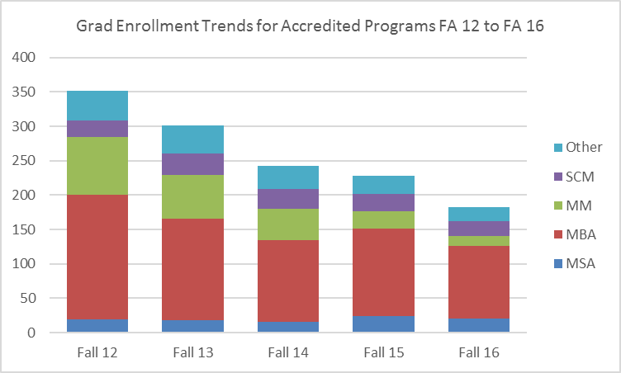
4 year graduation rates of 1st time first-year students will be at 60% or higher. | 4 year graduation rates of FFFT provided by Institutional research. | Sports Management is getting closer to meeting the goal. | Results show improvement for the 2011 cohort over previous cohorts. | We think the extremely low graduation rates could be the result of a change in our student info system (SIS). Since switiching systems, we have had trouble accessing data or at least obtaining clean and accurate data. | 